Campaign Performance Overview
Revenue Leaders: Winter_Blast generated the highest revenue (₹123,257,767), followed by Autumn_Deals (₹121,097,825).

Leads vs Conversions: Conversion rates are consistent across campaigns; Winter_Blast also has the highest number of conversions (310,141).

Actionable Insight: Focus marketing efforts on high-performing campaigns like Winter_Blast and Autumn_Deals to maximize ROI.

Total Revenue by Campaign
Leads and Conversions by Campaign

ROI & Conversion Rate by Channe
Top ROI Channels: SMS (1,096%) and Email (1,135%) provide the highest return on investment.

Top Conversion Channels: Email (53.18%) and SMS (52.48%) have the highest conversion efficiency.

Actionable Insight: Allocate more budget to Email and SMS campaigns to optimize both ROI and lead conversion.

Average ROI by Channel
Average Conversion Rate by Channel

Monthly Conversions Trend
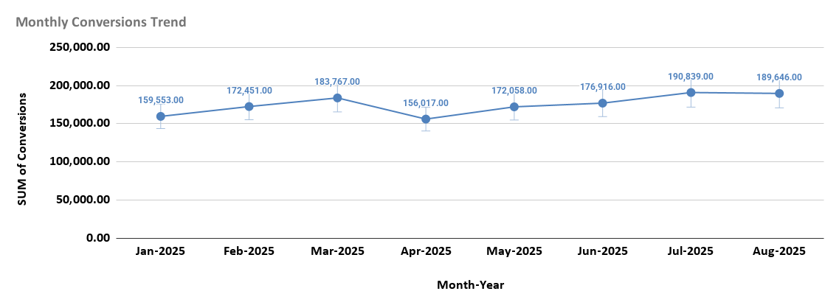

Trend Observation: Conversions show a gradual increase from Jan-2025 (159,553) to Jul-2025 (190,839), with minor fluctuations in Apr-2025 (156,017) and May-2025 (172,058).

Actionable Insight: Monitor seasonal dips (Apr) and plan promotional campaigns to smooth out fluctuations and maximize monthly conversions.

Campaign Analysis
Total Revenue by Campaign
Leads and Conversions by Campaign

Average ROI by Channel
Average Conversion Rate by Channel

